ITF Process
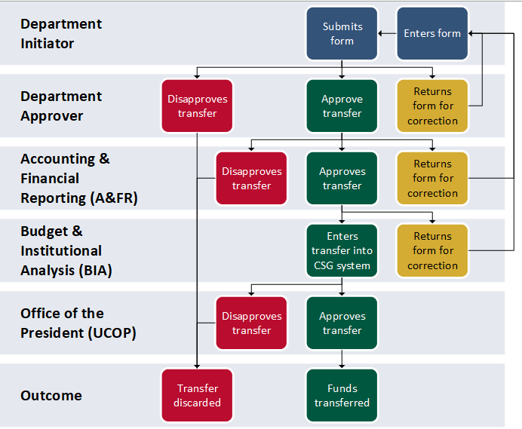
Interlocation Transfer of Funds (ITF) Process:

